Excel Competency Wheel
Back
 | Domain |  | Score 1 to 10 | Domain | Score
 | Worksheets & Workbooks |  | - | Worksheets & Workbooks | -
 |  | Create / Edit / Save workbooks, insert / delete / rename format worksheets, security of workbooks & worksheets, viewing workbooks & worksheets |  | Formatting & Printing | -
 | Formatting & Printing |  | - | Formulas & Functions | -
 |  | Formatting cell, range, text, custom number formatting, setting up worksheet for one page view, printing & page setup settings, header / footers, watermark |  | Working with Data | -
 | Formulas & Functions |  | - | Charts & Dashboards | -
 |  | Logical, Lookup, Math, Statistical, Reference, Date, Text, Information, Array, Financial, 2D & 3D Formulas, linked workbooks & worksheet formulas, Range Name |  | Import / Export & MS-SQL | -
 | Working with Data |  | - | Summarizing Data | -
 |  | Sort, Filter and Advanced Filter |  | What-if Analysis | -
 | Charts & Dashboards |  | -
 |  | Basic Excel Charts, Combination Charts, Using Graphics in Excel to communicating information
 | Import / Export & MS-SQL |  | -
 |  | Import & Export Text, CSV and different database formats, understand databases, create link to databases
 | Summarizing Data |  | -
 |  | Subtotal, Consolidation and PivotTables What-if Analysis:Goal Seek, Scenarios & Solver, creating custom what-if tables & models
 | What-if Analysis |  | -
 |  | Scenarios, Data Table, Goal Seek, Solver

 | Average Score |  | -

 |  | Key Learning:
 |  | * Reflect on what you know in Excel

Roaming, Autosum & Shortcuts
Roaming (^ = Control Key)
* ^A
* Regions
* ^Home, ^End, ^Up Arrow, ^Dn Arrow
* Using Shift Key
* Mouse with Shift
* Selection using Keyboard
* Non-contegeous selection Using Ctrl & Mouse
* Non-contegeous selection Using F8 & Shift+F8
* Using Autosum (Alt =)
* Undo / Repeat (^Z / ^Y F4)
* Cut / Copy & Paste (^X / ^C & ^V)
* Goto Special (^G), (^H)
* Editing Cells
* ^ Space Shift Space ^0 hide col ^9 hide row
Balance Sheet
BOC Pakistan
 | 2010 | 2009 | 2008 | 2007 | 2006 | 2005 | Total

Equity and Liabilities
Total equity | 1491130 | 1452706 | 1507427 | 1426132 | 1345068 | 1063127
Totol non-current liabilities | 317776 | 89875 | 8285590 | 381556 | 65876 | 7824481
Total current Liabilities | 1380931.6667 | 545644 | 462748 | 471324 | 4 | 533591
Total Equity and Liabilities | 3189837.6667 | 2088225 | 10255765 | 2279012 | 1410948 | 9421199

Assets
Total Non-Current Assets | 1342471 | 1276004 | 1380166 | 1190726 | 1313880 | 1321234
Total current assets | 1044764 | 1039945 | 932134 | 1088286 | 863892 | 643610
Total Assets

Key Learning:
* Regions
* Shortcuts

Steps: |  |  |  |  |  |  | gfdg
 |  |  |  |  |  |  | gfdsg
Selecting Region |  |  |  |  |  |  | gsgf
Select any cell on Region
Press CTRL + A |  |  |  |  |  |  | gfdsg
 |  |  |  |  |  |  | gsdfgs

Auto Sum
Press ALT =
Note: By Default Sum will be placed in Last Row of Region / Last Row of Selected Cell

if Region is Not Selected
Auto Sum will give You a Upper Rows Range with SUM Function

Goto
GOTO Command

There are several Method to Move around the Sheet and Workbook

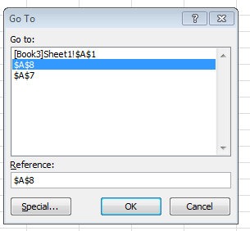
* Name Box
* In Name Box Type any Cell Reference(s) for Selection
* You can use Sheet Name( with ! Sign) as well for Going that cell . example Introduction!A1

Goto Command Short cut
Press CTRL + G
it will display Goto Command Dialog box
in Reference Box Type Cell Reference(s) and press OK

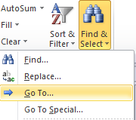
Goto Command
Click Home Tab
Editing Group
Click Find & Select
in Find & Select Option
Click Goto

 | fgfdsgs

 |  | gfds

Format Painter
Customer | Q1 | Q2 | Q3 | Q4 | Total
Alluring Barometer Inc. | 2147 | 19162 | 19219 | 13240 | 53768
Matchless Door Corporation | 15154 | 24516 | 29110 | 28228 | 97008
Supreme Belt Corporation | 12005 | 20728 | 25454 | 28650 | 86837
Special Doorbell Inc. | 12724 | 20714 | 16969 | 19777 | 70184
Ideal Barometer Inc. | 29893 | 25585 | 15244 | 22373 | 93095
Sure Eggbeater Inc. | 19505 | 26123 | 14444 | 25501 | 85573
Supreme Lawn Traders | 13074 | 10495 | 21567 | 12334 | 57470
Guaranteed Sandal Company | 12818 | 26835 | 28948 | 11872 | 80473
Crisp Barometer Company | 24981 | 16197 | 19031 | 16269 | 76478
Secure Linen Supply | 24555 | 19244 | 12817 | 15713 | 72329
Rare Umbrella Corporation | 27825 | 26673 | 21549 | 20681 | 96728
Trustworthy Utensil Corporation | 23815 | 26861 | 20381 | 22299 | 93356
Total | 218496 | 263133 | 244733 | 236937 | 963299

Key Learning:
* Format Painter
* Clear Formatting |  | 'Format Painter'!A1
* Stats
* Minitoolbar

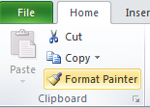
Format Painter
Select Formatted Cell(s)
Click Format Painter Command from Home Tab - Clipboard Group
Click Cell where you want to paste the format

if you want to paste the format in multiple cell
Double click the Format painter Command
after completing
Press Escape Key to End the Command

Shortcut Key
ALT + H + FP

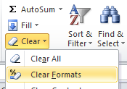
Clear Formatting
Select Cell(s) where you want to clear the Formats
Click Home Tab
Editing Group
Clear Option Button
Select Clear Format Command
it will clear the format from the selected Cells

Shortcut Key
ALT + H + E + F

Sheet3
Month | Sales
Jan | 21
Feb | 20
Mar | 25
Apr | 21
May | 19

Autofit
Customer | Q1 | Q2 | Q3 | Q4 | Total
Alluring Barometer Inc. | 29,120.00 | 19,162.00 | 19,219.00 | 13,240.00
Matchless Door Corporation | 15,154.00 | 24,516.00 | 29,110.00 | 28,228.00
Supreme Belt Corporation | 12,005.00 | 20,728.00 | 25,454.00 | 28,650.00
Special Doorbell Inc. | 12,724.00 | 20,714.00 | 16,969.00 | 19,777.00
Ideal Barometer Inc. | 29,893.00 | 25,585.00 | 15,244.00 | 22,373.00
Sure Eggbeater Inc. | 19,505.00 | 26,123.00 | 14,444.00 | 25,501.00
Supreme Lawn Traders | 13,074.00 | 10,495.00 | 21,567.00 | 12,334.00
Guaranteed Sandal Company | 12,818.00 | 26,835.00 | 28,948.00 | 11,872.00
Crisp Barometer Company | 24,981.00 | 16,197.00 | 19,031.00 | 16,269.00
Secure Linen Supply | 24,555.00 | 19,244.00 | 12,817.00 | 15,713.00
Rare Umbrella Corporation | 27,825.00 | 26,673.00 | 21,549.00 | 20,681.00
Trustworthy Utensil Corporation | 23,815.00 | 26,861.00 | 20,381.00 | `
Total

Key Learning:
* Autofit

There are several Method to perfom autofit utility
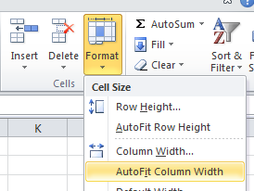
Using Mouse
Using Command

Steps
Select Column(s)
Click Home Tab
in Cells Group
Click Format Option Button
Select Auto Fit Column Width
it will fit the column width with Maximum Charcater residing in the column

Alternate Method
Place the cursor on Column Headign Border End
Cursor shape will Change into Anchor Cursor Shape
Double Click the Mouse to Border Intersestion
it will perform the Autofit Action

Borders
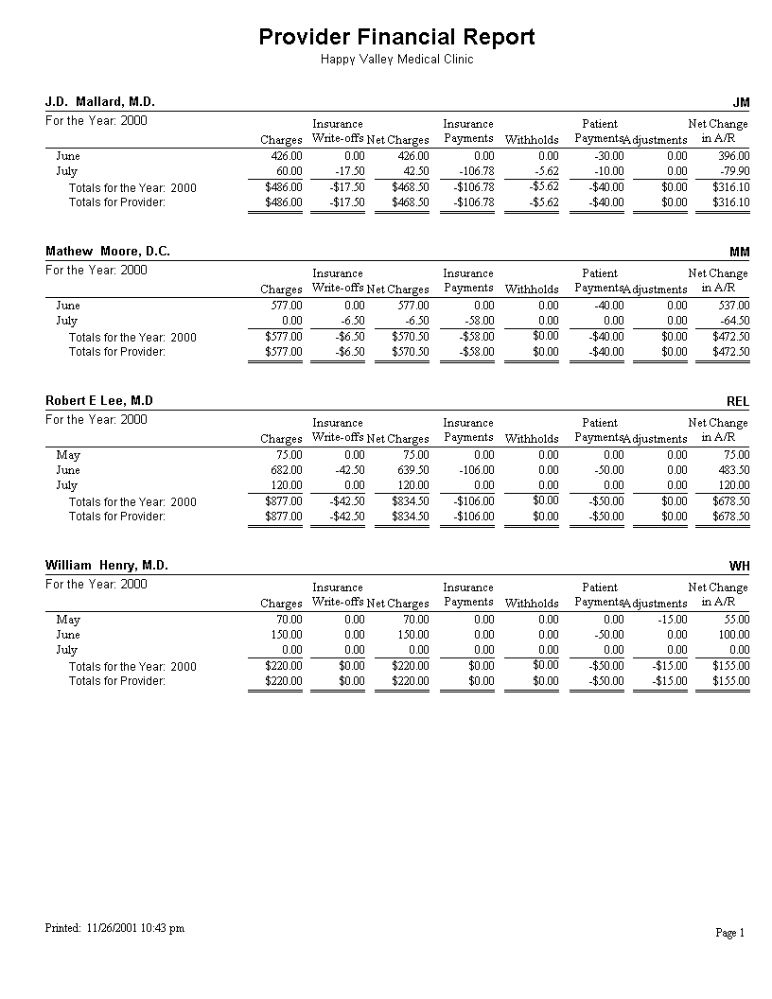
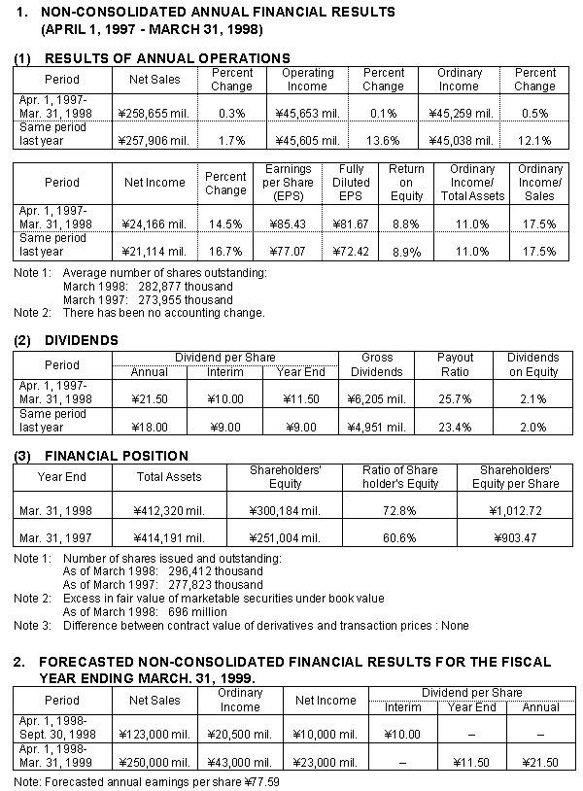
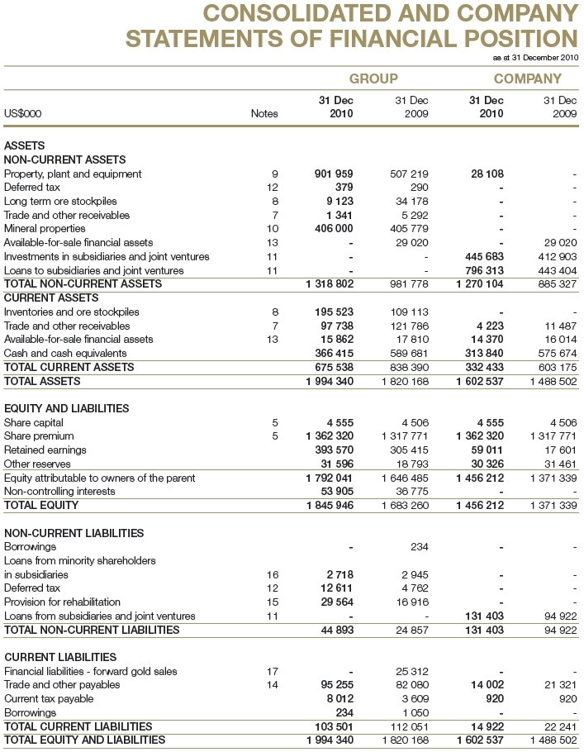
Create BORDERS in the BLUE cells
to match the pattern in the YELLOW cells.
 |  | Exercise 1 | Exercise 2 | Cell Size Border Example, (remove it)

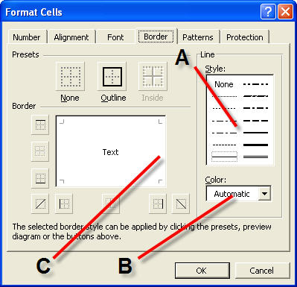
 |  |  |  |  | At times we have repeated value in a column, the best way is to make it lighter

 | Key Learning:
 | * Borders

Equations
 |  |  | The F9 Key
x | Equation |  | Answer
0.00000 | 25.60000

(3x - 8)²(x - 2)
———————
4x² - 5

Present Value

Cash Flow x (1-1/(1+Discount Rate)^ Periods)
————————————————————————
Discount Rate
Discount Rate |  | 12%
Periods |  | 5
Cash Flow |  | 1000

Present Value

Proof |  | $3,604.78

Key Learning:
* Operator Precedence

Excel Functions by Categories
Distribution of Functions by Categories

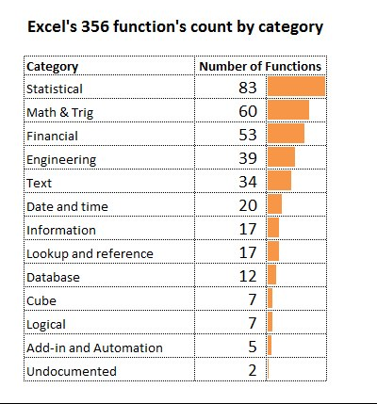

Key Learning:
* Looking at Funcitons with Different Perspective

Paste Sp-Transp-Val-PstOpt
Product ID | Price | Commission |  |  | Product ID | Price | Commission |  | 0.7
600 | $128.00 | $12.80 |  |  | 600 | 175.56 | $12.80
203 | $130.00 | $13.00 |  |  | 203 | 177.1 | $13.00
933 | $128.00 | $12.80 |  |  | 933 | 175.56 | $12.80
782 | $133.00 | $13.30 |  |  | 782 | 179.41 | $13.30
166 | $109.00 | $10.90 |  |  | 166 | 160.93 | $10.90
665 | $140.00 | $14.00 |  |  | 665 | 184.8 | $14.00
762 | $132.00 | $13.20 |  |  | 762 | 178.64 | $13.20
873 | $109.00 | $10.90 |  |  | 873 | 160.93 | $10.90
971 | $134.00 | $13.40 |  |  | 971 | 180.18 | $13.40

Converting Text to Numbers |  |  |  |  | Product ID | 600 | 203 | 933 | 782 | 166 | 665 | 762 | 873 | 971
100 |  | 1 |  |  | Price | $128.00 | $130.00 | $128.00 | $133.00 | $109.00 | $140.00 | $132.00 | $109.00 | $134.00
101 |  |  |  |  | Commission | $12.80 | $13.00 | $12.80 | $13.30 | $10.90 | $14.00 | $13.20 | $10.90 | $13.40
102
103
104 |  |  |  |  | Product ID | Price | Commission
105 |  |  |  |  | 600 | $128.00 | $12.80
106 |  |  |  |  | 203 | $130.00 | $13.00
107 |  |  |  |  | 933 | $128.00 | $12.80
108 |  |  |  |  | 782 | $133.00 | $13.30
109 |  |  |  |  | 166 | $109.00 | $10.90
110 |  |  |  |  | 665 | $140.00 | $14.00
 |  |  |  |  | 762 | $132.00 | $13.20
Paste Special |  |  |  |  | 873 | $109.00 | $10.90
 |  |  |  |  | 971 | $134.00 | $13.40
 | Can be very useful for editing and altering data in a spreadsheet

 | A. Convert Formulas to Values:
Steps
1 | Highlight the cells you want to convert to values and select Copy
2 | Move to the home position where you want to paste
3 | Select Paste Special and check Values

 | Store A | Store B | Store C | Total
 | 1,050.00 | 950.00 | 680.00 | 2,680.00
 | 755.00 | 250.00 | 552.00 | 1,557.00
 | 890.00 | 195.00 | 265.00 | 1,350.00
 | 1,175.00 | 480.00 | 805.00 | 2,460.00

 | B. Convert Text Values into Real Values or positive values to negative values
Steps
1 | Select an empty cell and enter 1 or -1
2 | From the Home TAB, select Edit Copy for the cell with 1 in it
3 | Highlight the text values you need to convert
4 | Select HOME TAB >Paste Special and select the Multiply option
5 | Under Paste, click Values and then click OK

 | -1 | -118
 |  | -122
 |  | -135
 |  | -144
 |  | -174

 | C. Use Paste Special to Copy a Format: (Very useful for tables and chart formatting differences)
Steps
1 | Select the cell range / chart / table you want to use as your format
2 | Control-C to Copy or from the HOME TAB > Copy
3 | Select the cell range / chart / table you want to change in terms of formatting
4 | From the HOME TAB > Paste Special > Formats

 | Chart 1 has this format: |  |  |  |  |  |  |  |  |  | Chart 2 has a different format:

Comparison of Store Sales
 | Sales
 | 1175
 | 480
 | 805
 | Sales
 | 1050
 | 950
 | 680

 | Key Learning:
 | * Paste Formatting

Using Fill Handle
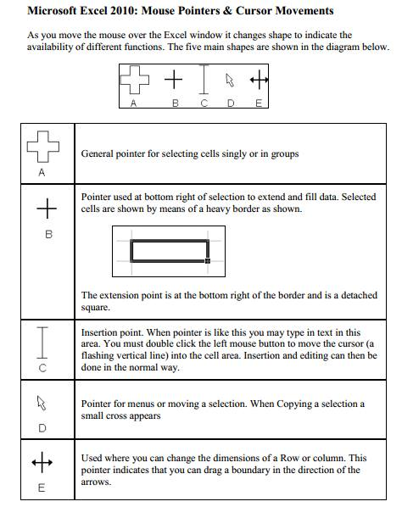
 |  |  |  |  |  |  |  |  |  | Shortcut for filling data, dropdown list, autocorrect options
Custom Lists | Custom Lists | Fill Series | Copy Cells | Fill Series | Fill Series | Fill Series | Copy Cells | Copy Formatting |  | Region | SubRegion | Market | Customer | Business Segment | Category | Model | Color | SalesDate | SalesPeriod | ListPrice | UnitPrice | OrderQty | Sales Amount
 |  |  |  |  |  |  |  |  |  | North America | United States | Southeast | Trusted Catalog Store | Bikes | Mountain Bikes | Mountain-100 | Silver | 2002-01-01 | 2002-01-01 | 3,399.99 | 2,039.99 | 3 | 6119.97
January | Monday | 1 | 2010-05-30 | A 1 | Qtr 1 | Year 1 | East | 143,500 |  | North America | United States | Southeast | Trusted Catalog Store | Bikes | Mountain Bikes | Mountain-100 | Black | 2002-01-14 | 2002-01-01 | 3,374.99 | 2,024.99 | 2 | 4049.98
February | Tuesday | 2 | 2010-05-30 | A 2 | Qtr 2 | Year 2 | West | 154 |  | North America | United States | Southeast | Trusted Catalog Store | Bikes | Mountain Bikes | Mountain-100 | Black | 2002-01-30 | 2002-01-01 | 3,374.99 | 2,024.99 | 3 | 6074.97
March | Wednesday | 3 | 2010-05-30 | A 3 | Qtr 3 | Year 3 | North | 52,145 |  | North America | United States | Southeast | Trusted Catalog Store | Clothing | Socks | Mountain Bike Socks | White | 2002-01-16 | 2002-01-01 | 9.50 | 5.70 | 8 | 45.6
April | Thursday | 4 | 2010-05-30 | A 4 | Qtr 4 | Year 4 | South | 24,545 |  | North America | United States | Southeast | Trusted Catalog Store | Bikes | Mountain Bikes | Mountain-100 | Silver | 2002-01-31 | 2002-01-01 | 3,399.99 | 2,039.99 | 1 | 2039.99
May | Friday | 5 | 2010-05-30 | A 5 | Qtr 1 | Year 5 | East | 24,545 |  | North America | United States | Southeast | Trusted Catalog Store | Bikes | Mountain Bikes | Mountain-100 | Black | 2002-01-23 | 2002-01-01 | 3,374.99 | 2,024.99 | 3 | 6074.97
June | Saturday | 6 | 2010-05-30 | A 6 | Qtr 2 | Year 6 | West | 24,545 |  | North America | United States | Southeast | Trusted Catalog Store | Bikes | Mountain Bikes | Mountain-100 | Silver | 2002-01-04 | 2002-01-01 | 3,399.99 | 2,039.99 | 3 | 6119.97
July | Sunday | 7 | 2010-05-30 | A 7 | Qtr 3 | Year 7 | North | 2,154 |  | North America | United States | Southeast | Trusted Catalog Store | Bikes | Mountain Bikes | Mountain-100 | Silver | 2002-01-28 | 2002-01-01 | 3,399.99 | 2,039.99 | 2 | 4079.98
August | Monday | 8 | 2010-05-30 | A 8 | Qtr 4 | Year 8 | South |  |  | North America | United States | Southeast | Trusted Catalog Store | Bikes | Mountain Bikes | Mountain-100 | Black | 2002-01-30 | 2002-01-01 | 3,374.99 | 2,024.99 | 2 | 4049.98
September | Tuesday | 9 | 2010-05-30 | A 9 | Qtr 1 | Year 9 | East |  |  | North America | United States | Southeast | Sports Sales and Rental | Bikes | Mountain Bikes | Mountain-100 | Silver | 2002-01-04 | 2002-01-01 | 3,399.99 | 2,039.99 | 2 | 4079.98
October | Wednesday | 10 | 2010-05-30 | A 10 | Qtr 2 | Year 10 | West |  |  | North America | United States | Southeast | Sports Sales and Rental | Bikes | Mountain Bikes | Mountain-100 | Silver | 2002-01-05 | 2002-01-01 | 3,399.99 | 2,039.99 | 3 | 6119.97
November |  | 11 | 2010-05-30 | A 11 | Qtr 3 | Year 11 | North |  |  | North America | United States | Southeast | Sports Sales and Rental | Components | Mountain Frames | HL Mountain Frame | Silver | 2002-01-28 | 2002-01-01 | 1,364.50 | 722.59 | 1 | 722.59
 |  |  |  | A 12 | Qtr 4 | Year 12 | South |  |  | North America | United States | Southeast | Sports Sales and Rental | Components | Mountain Frames | HL Mountain Frame | Black | 2002-01-18 | 2002-01-01 | 1,349.60 | 714.70 | 1 | 714.7
 |  |  |  |  |  | Year 13 | East |  |  | North America | United States | Southeast | Sports Sales and Rental | Components | Mountain Frames | HL Mountain Frame | Silver | 2002-01-16 | 2002-01-01 | 1,364.50 | 818.70 | 3 | 2456.1
 |  |  |  |  |  | Year 14 | West |  |  | North America | United States | Southeast | Sports Sales and Rental | Bikes | Mountain Bikes | Mountain-100 | Black | 2002-01-30 | 2002-01-01 | 3,374.99 | 2,024.99 | 2 | 4049.98
 |  |  |  |  |  |  |  |  |  | North America | United States | Southeast | Sports Sales and Rental | Clothing | Socks | Mountain Bike Socks | White | 2002-01-17 | 2002-01-01 | 9.50 | 5.70 | 2 | 11.4
 |  |  |  |  |  |  |  |  |  | North America | United States | Southeast | Sports Sales and Rental | Components | Mountain Frames | HL Mountain Frame | Black | 2002-01-16 | 2002-01-01 | 1,349.60 | 714.70 | 1 | 714.7
 | An easy way to copy and paste with or without auto fill or just paste a format (same as the Paint Brush) |  |  |  |  |  |  |  |  | North America | Canada | Canada | Requisite Part Supply | Bikes | Road Bikes | Road-650 | Black | 2002-01-23 | 2002-01-01 | 782.99 | 419.46 | 1 | 419.46
 |  |  |  |  |  |  |  |  |  | North America | Canada | Canada | Requisite Part Supply | Bikes | Road Bikes | Road-450 | Red | 2002-01-11 | 2002-01-01 | 1,457.99 | 874.79 | 5 | 4373.95
 | Fill Handle: The "+" sign that appears in the lower right corner of the cell you have selected. |  |  |  |  |  |  |  |  | North America | Canada | Canada | Requisite Part Supply | Bikes | Road Bikes | Road-650 | Red | 2002-01-09 | 2002-01-01 | 782.99 | 419.46 | 3 | 1258.38
 |  |  |  |  |  |  |  |  |  | North America | Canada | Canada | Requisite Part Supply | Bikes | Road Bikes | Road-650 | Black | 2002-01-25 | 2002-01-01 | 782.99 | 419.46 | 3 | 1258.38
 |  |  |  |  |  |  |  |  |  | North America | Canada | Canada | Requisite Part Supply | Bikes | Road Bikes | Road-650 | Red | 2002-01-14 | 2002-01-01 | 782.99 | 419.46 | 2 | 838.92
 |  |  |  |  |  |  |  |  |  | North America | Canada | Canada | Requisite Part Supply | Bikes | Road Bikes | Road-650 | Red | 2002-01-25 | 2002-01-01 | 782.99 | 419.46 | 5 | 2097.3
 |  |  |  |  |  |  |  |  |  | North America | Canada | Canada | Requisite Part Supply | Bikes | Road Bikes | Road-650 | Red | 2002-01-29 | 2002-01-01 | 782.99 | 419.46 | 3 | 1258.38
 |  |  |  |  |  |  |  |  |  | North America | Canada | Canada | Requisite Part Supply | Bikes | Road Bikes | Road-450 | Red | 2002-01-11 | 2002-01-01 | 1,457.99 | 874.79 | 2 | 1749.58
 | Smart Tag: A small icon that appears in the lower right corner of the range that you copied to. This is the |  |  |  |  |  |  |  |  | North America | Canada | Canada | Red Bicycle Company | Bikes | Mountain Bikes | Mountain-100 | Black | 2002-01-11 | 2002-01-01 | 3,374.99 | 2,024.99 | 6 | 12149.94
 |  | Auto Fill Options Smart Tag: |  |  |  |  |  |  |  | North America | Canada | Canada | Red Bicycle Company | Bikes | Mountain Bikes | Mountain-100 | Black | 2002-01-28 | 2002-01-01 | 3,374.99 | 2,024.99 | 2 | 4049.98
 |  |  |  |  |  |  |  |  |  | North America | Canada | Canada | Red Bicycle Company | Bikes | Mountain Bikes | Mountain-100 | Black | 2002-01-14 | 2002-01-01 | 3,374.99 | 2,024.99 | 2 | 4049.98
 |  | Copy Cells - Copy the cell content as is to the other cell(s) |  |  |  |  |  |  |  | North America | Canada | Canada | Red Bicycle Company | Bikes | Mountain Bikes | Mountain-100 | Silver | 2002-01-25 | 2002-01-01 | 3,399.99 | 2,039.99 | 2 | 4079.98
 |  | Fill Series - Copy the cell content and auto fill to the other cells in a series |  |  |  |  |  |  |  | North America | Canada | Canada | Red Bicycle Company | Bikes | Mountain Bikes | Mountain-100 | Silver | 2002-01-23 | 2002-01-01 | 3,399.99 | 2,039.99 | 2 | 4079.98
 |  | Fill Formatting Only - Copy the cell format only to the other cell(s) |  |  |  |  |  |  |  | North America | Canada | Canada | Red Bicycle Company
 |  | Fill Without Formatting - Copy the cell content as is, but do not include the format |  |  |  |  |  |  |  | North America | Canada | Canada | Red Bicycle Company
 |  |  |  |  |  |  |  |  |  | North America | Canada | Canada | Requisite Part Supply

The fill handle quite often to use fill or copy series of values to cells. Every time you use the fill handle, the Auto Fill button appears. Some times You do not want to display the Auto Fill button.

Click File Menu
Click Option Button |  |  |  |  |  |  |  |  | Raheel Ramzan Ali Rupani
In Advance Tab un-check the Show Paste Option button Checkbox in the Cut, Copy, and Paste Section. |  |  |  |  |  |  |  |  | Raheel Ramzan Ali Rupani
 |  |  |  |  |  |  |  |  | Zulfiqar Industris Limited
Key Learning: |  |  |  |  |  |  |  |  | ABCDEFGHIJKLMNOPQRSTUVWXYZ
* Understanding Fill Handle

Asbolute Relative Reference
$
 | Relative Reference
 | Absolute Reference
 | Mixed Reference

 | Commission |  | 3% | 4% | 5% | 15000 | 1928.6428571
 |  |  |  |  |  |  |  | Relative | A1
 | Year | Sales | Commission |  |  |  |  | Absolute | $A$1
346 | 1997 | 68670 | 19,335 | 20,021 | 20,708 |  |  | Mixed | $A1 | Left
2207 | 1998 | 67443 | 21,159 | 21,833 | 22,508 |  |  |  | A$1 | Top
1291 | 1999 | 62088 | 20,082 | 20,703 | 21,324
2560 | 2000 | 58572 | 21,246 | 21,832 | 22,417
395 | 2001 | 60254 | 19,131 | 19,734 | 20,336
4768 | 2002 | 52163 | 23,262 | 23,783 | 24,305
1786 | 2003 | 54914 | 20,362 | 20,911 | 21,460
821 | 2004 | 67539 | 19,776 | 20,451 | 21,127
290 | 2005 | 61871 | 19,075 | 19,693 | 20,312
3566 | 2006 | 65895 | 22,471 | 23,130 | 23,789
4410 | 2007 | 65596 | 23,307 | 23,962 | 24,618
2910 | 2008 | 56880 | 21,545 | 22,114 | 22,683
230 | 2009 | 64770 | 19,102 | 19,749 | 20,397
1421 | 2010 | 65133 | 20,304 | 20,955 | 21,606

 | Key Learning:
 | * Absolute & Mixed References

 | There are Two type of References
 | Relative References
 |  | This is the most widely used type of cell reference in formulas.
 |  | Relative cell references are basic cell references that adjust and change when copied or when using AutoFill.
 |  | A2 | A2:A5 | A:A
 | Absolute References
 |  | Situations arise in which the cell reference must remain the same when copied or when using AutoFill.
 |  | Dollar signs are used to hold a column and/or row reference constant.
 |  | $A$2 | $A$2 : $A$5

 | Mixed Reference
 |  | In addition to absolute references ($A$2) and relative refernces (A5) there are two kind of mixed references.

 | Column Absolute
 | $A5 | when copied, column will remain absolute and row will be relative

 | Row Absolute
 | A$5 | when copied, Row will remain absolute and column will be relative.

 | To Change Referene we can use F4 Key

Inserting Comments
Product/Month | Jan | Feb | Mar | Apr | May | Jun | Jul | Aug | Sep | Oct | Nov | Dec | Total
Carlota | 4 | 8 | 23 | 29 | 10 | 18 | 30 | 12 | 15 | 2 | 11 | 25 | 187
Yanaki | 15 | 16 | 17 | 8 | 2 | 31 | 32 | 18 | 24 | 30 | 3 | 26 | 222
Aspen | 22 | 44 | 0 | 6 | 31 | 22 | 30 | 22 | 34 | 43 | 33 | 40 | 327
Sunset | 39 | 37 | 0 | 24 | 17 | 22 | 0 | 29 | 31 | 6 | 29 | 17 | 251
Delicate Arch | 49 | 10 | 7 | 32 | 2 | 13 | 19 | 45 | 39 | 40 | 24 | 24 | 304
Bellen | 15 | 43 | 14 | 21 | 7 | 11 | 38 | 18 | 41 | 37 | 18 | 38 | 301
Total | 144 | 158 | 61 | 120 | 69 | 117 | 149 | 144 | 184 | 158 | 118 | 170

TIP ► | Format your comments by clicking on the border edge:

 | The example below brings up an image file as the comment:

1 | Select the edge of the comment box and right click
2 | From the Format Comment dialog box, select Colors and Lines
3 | In the Fill section, open the Color box and choose Fill Effects
4 | Click the Picture tab and select the Picture you want to use

TIP ► | Print out your comments:
1 | From the HOME TAB, select Page Layout > Page Setup (dialog launcher) > Sheet
2 | Select from the Comments drop down list. (None) is the default. Select At end of sheet if you want to
 | print a separate page. Select As displayed on sheet if you want to print only displayed comments.

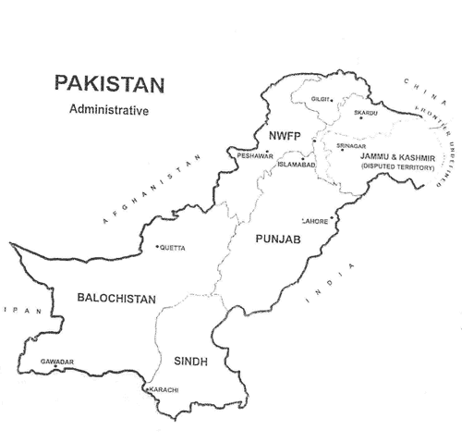

Reserves

(Unless otherwise specified, all financials are in INR Million) |  |  |  |  |  |  | FY06A | FY07A | FY08A | FY09A | FY10A | FY11E | FY12E | FY13E | FY14E | FY15E

Share Capital |  |  |  |  |  |  | 63,164 | 63,164 | 63,164 | 63,164 | 63,164 | 63,164 | 63,164 | 63,164 | 63,164 | 63,164
 | Reserves
 |  | Capital Reserves |  |  |  |  | 166 | 162 | 157 | 152 | 104 | 104 | 104 | 104 | 104 | 104
 |  | Capital Redemption Reserves |  |  |  |  | 18,084 | 18,084 | 18,084 | 18,084 | 18,084 | 18,084 | 18,084 | 18,084 | 18,084 | 18,084
 |  | Reserve for Foreign Exchange Transactions |  |  |  |  | 912 | 1,050 | 1,117 | 1,187 | 1,260 | 1,332 | 1,405 | 1,477 | 1,550 | 1,623
 |  | CSR Reserve |  |  |  |  | - | - | - | - | 1,519 | 1,519 | 1,519 | 1,519 | 1,519 | 1,519
 |  | General Reserve (Including Bond Redemption Reserve) |  |  |  |  | 41,888 | 48,685 | 57,397 | 66,736 | 79,480 | 96,910 | 119,184 | 146,904 | 182,495 | 228,973
 |  | Total Reserves |  |  |  |  | 61,049 | 67,980 | 76,755 | 86,159 | 100,447 | 117,949 | 140,295 | 168,088 | 203,752 | 250,303

 |  | Balance Carried Forward |  |  |  |  | 18,324 | 30,988 | 32,088 | 40,759 | 94,842 | 130,866 | 167,886 | 211,543 | 274,024 | 361,970
Total Reserve and Surplus |  |  |  |  |  |  | 79,373 | 98,968 | 108,843 | 126,918 | 195,289 | 248,815 | 308,181 | 379,631 | 477,776 | 612,273
 | Less: Miscellaneous Expenditure(Not written off) |  |  |  |  |  | - | - | - | 0 | 15 | - | - | - | - | -

Net Worth |  |  |  |  |  |  | 142,536 | 162,131 | 172,007 | 190,081 | 258,437 | 311,978 | 371,345 | 442,795 | 540,940 | 675,437

